FINAL MARKS
SECONDARY SKILLS 2007
Date: |  | Braze- 3F | OxyFuel Cut #1 | OxyFuel Cut #2 | FILLET #1 | FILLET #2 | FILLET #3 | FILLET #4 | FILLET #5 | FILLET #6 | FILLET #7 | FILLET #8 | GROOVE #1 | GROOVE #2 | GROOVE #3 | GROOVE #4 | GROOVE #5 | GROOVE #6 | GROOVE #7 | GROOVE #8 | FINAL MARK
Process and Joint Type: |  |  |  |  | - | - | - | - | - | - | - | - | - | - | - | - | - | - | - | -
Booth | Student: | Total Score 100 | Total Score 100 | Total Score 100 | Total Score 100 | Total Score 100 | Total Score 100 | Total Score 100 | Total Score 100 | Total Score 100 | Total Score 100 | Total Score 100 | Total Score 100 | Total Score 100 | Total Score 100 | Total Score 100 | Total Score 100 | Total Score 100 | Total Score 100 | Total Score 100
1 |  | - | - | - | - | - | - | - | - | - | - | - | - | - | - | - | - | - | - | -
2 |  | - | - | - | - | - | - | - | - | - | - | - | - | - | - | - | - | - | - | -
3 |  | - | - | - | - | - | - | - | - | - | - | - | - | - | - | - | - | - | - | -
4 |  | - | - | - | - | - | - | - | - | - | - | - | - | - | - | - | - | - | - | -
5 |  | - | - | - | - | - | - | - | - | - | - | - | - | - | - | - | - | - | - | -
6 |  | - | - | - | - | - | - | - | - | - | - | - | - | - | - | - | - | - | - | -
7 |  | - | - | - | - | - | - | - | - | - | - | - | - | - | - | - | - | - | - | -
8 |  | - | - | - | - | - | - | - | - | - | - | - | - | - | - | - | - | - | - | -
9 |  | - | - | - | - | - | - | - | - | - | - | - | - | - | - | - | - | - | - | -
10 |  | - | - | - | - | - | - | - | - | - | - | - | - | - | - | - | - | - | - | -
11 |  | - | - | - | - | - | - | - | - | - | - | - | - | - | - | - | - | - | - | -
12 |  | - | - | - | - | - | - | - | - | - | - | - | - | - | - | - | - | - | - | -
13 |  | - | - | - | - | - | - | - | - | - | - | - | - | - | - | - | - | - | - | -
14 |  | - | - | - | - | - | - | - | - | - | - | - | - | - | - | - | - | - | - | -
15 |  | - | - | - | - | - | - | - | - | - | - | - | - | - | - | - | - | - | - | -
16 |  | - | - | - | - | - | - | - | - | - | - | - | - | - | - | - | - | - | - | -
17 |  | - | - | - | - | - | - | - | - | - | - | - | - | - | - | - | - | - | - | -
18 |  | - | - | - | - | - | - | - | - | - | - | - | - | - | - | - | - | - | - | -
19 |  | - | - | - | - | - | - | - | - | - | - | - | - | - | - | - | - | - | - | -
20 |  | - | - | - | - | - | - | - | - | - | - | - | - | - | - | - | - | - | - | -
21 |  | - | - | - | - | - | - | - | - | - | - | - | - | - | - | - | - | - | - | -
22 |  | - | - | - | - | - | - | - | - | - | - | - | - | - | - | - | - | - | - | -
23 |  | - | - | - | - | - | - | - | - | - | - | - | - | - | - | - | - | - | - | -
24 |  | - | - | - | - | - | - | - | - | - | - | - | - | - | - | - | - | - | - | -
25 |  | - | - | - | - | - | - | - | - | - | - | - | - | - | - | - | - | - | - | -
26 |  | - | - | - | - | - | - | - | - | - | - | - | - | - | - | - | - | - | - | -
27 |  | - | - | - | - | - | - | - | - | - | - | - | - | - | - | - | - | - | - | -
28 |  | - | - | - | - | - | - | - | - | - | - | - | - | - | - | - | - | - | - | -
29 |  | - | - | - | - | - | - | - | - | - | - | - | - | - | - | - | - | - | - | -
30 |  | - | - | - | - | - | - | - | - | - | - | - | - | - | - | - | - | - | - | -
Average: |  |  |  |  |  |  |  |  |  |  |  |  |  |  |  |  |  |  |  |  | #DIV/0!

Oxy-Fuel Cut #1
 | Institution/Instructor:
 | Process & Weld Joint: |  |  |  |  |  | Oxy-Fuel Cut (as per drawing "A" or "B") |  |  |  |  |  |  |  |  |  |  |  |  |  |  |  |  |  |  | Date: |  | 0

 | Practical Examination - Marking Sheet
Visual only | 0 | 0 | 0 | 0 | 0 | 0 | 0 | 0 | 0 | 0 | 0 | 0 | 0 | 0 | 0 | 0 | 0 | 0 | 0 | 0 | 0 | 0 | 0 | 0 | 0 | 0 | 0 | 0 | 0 | 0
Notches /10: Deduct 1 pt/notch >2mm deep
Edge melt or Adhering dross /10: Deduct 1 pt./2mm length (more than 20% of total cut length has edge melt or adhering dross constitutes -10 pts.)
Surface Marks (chipping hammer/chisel) /10: Deduct 2pt./mark
Dimensional accuracy /10: Deduct 1pt./10mm of a dimension exceeding the tolerance of +/-2mm.
Piercing accuracy /10: Deduct 10 pts. if the object does not pass through the hole, deduct 2pts./6mm length where the gap >2mm.
Cutting angle accuracy /10: Deduct 10pts. for any area with >10degree inaccuracy, -1pt/ 10mm >5degree accuracy
FINAL SCORE: /100 | 0 | 0 | 0 | 0 | 0 | 0 | 0 | 0 | 0 | 0 | 0 | 0 | 0 | 0 | 0 | 0 | 0 | 0 | 0 | 0 | 0 | 0 | 0 | 0 | 0 | 0 | 0 | 0 | 0 | 0
Comments: | Student may be denied examination at any point of examination, pending Institutional guidelines and policy.
Options to be identified by institution: Time limit, Ability to repair cut, Use of power tools, Procedure for preparation of cut coupon, Ability and procedures for retests
Observations: Safety, PPE, Follows instruction properly, proper use of equipment, professionalism, works well with others Above Expectations (AE) or Acceptable (A) or Need's Improvement (NI) |  |  |  |  |  |  |  |  |  |  |  |  |  |  |  |  |  |  |  |  |  |  | A
Challenges/Improvements:
Words of Advice:
Target:
Drawing "A" |  | Drawing "B"
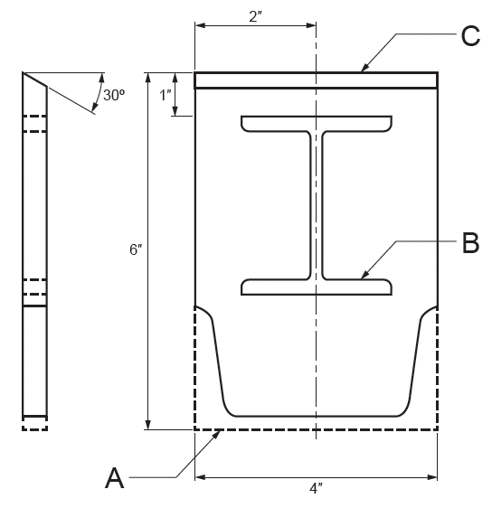 |  | 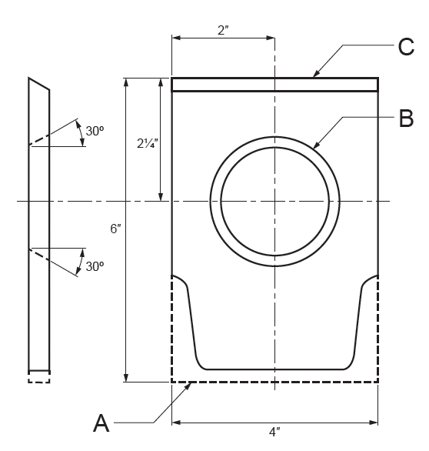

"A" Notes: |  | "B" Notes:
Subject to visual examination only |  | Subject to visual examination only.
A: Using free-hand, cope one end to fit 4" channel iron, including cutting end off plate |  | A: Using free-hand, cope one end to fit a 4" channel iron, including cutting the end off plate
B: Cut a hole to accept a 3" S shape beam (as supplied by examiner) |  | B: Cut and bevel a hole to accept a 1.5" diameter pipe, no land required (as supplied by examiner)
C: Cut and bevel (30o) a straight line, no land required, A guide may be used. |  | C: Cut and bevel (30o) a straight line, no land required. A guide may be used.
Dross may be removed by chipping hammer, or hammer and chisel only |  | Dross may be removed by chipping hammer, or hammer and chisel only

