PAGE 1
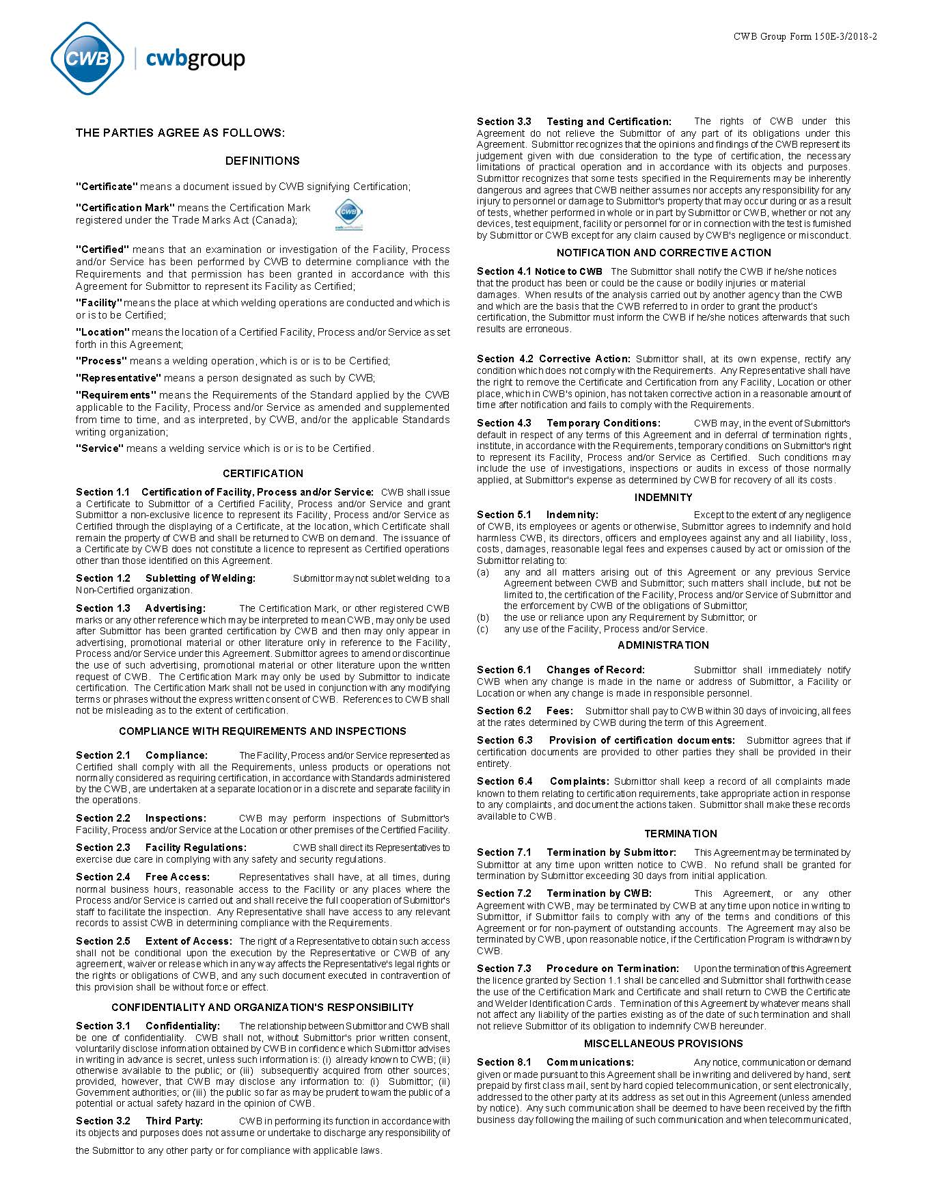
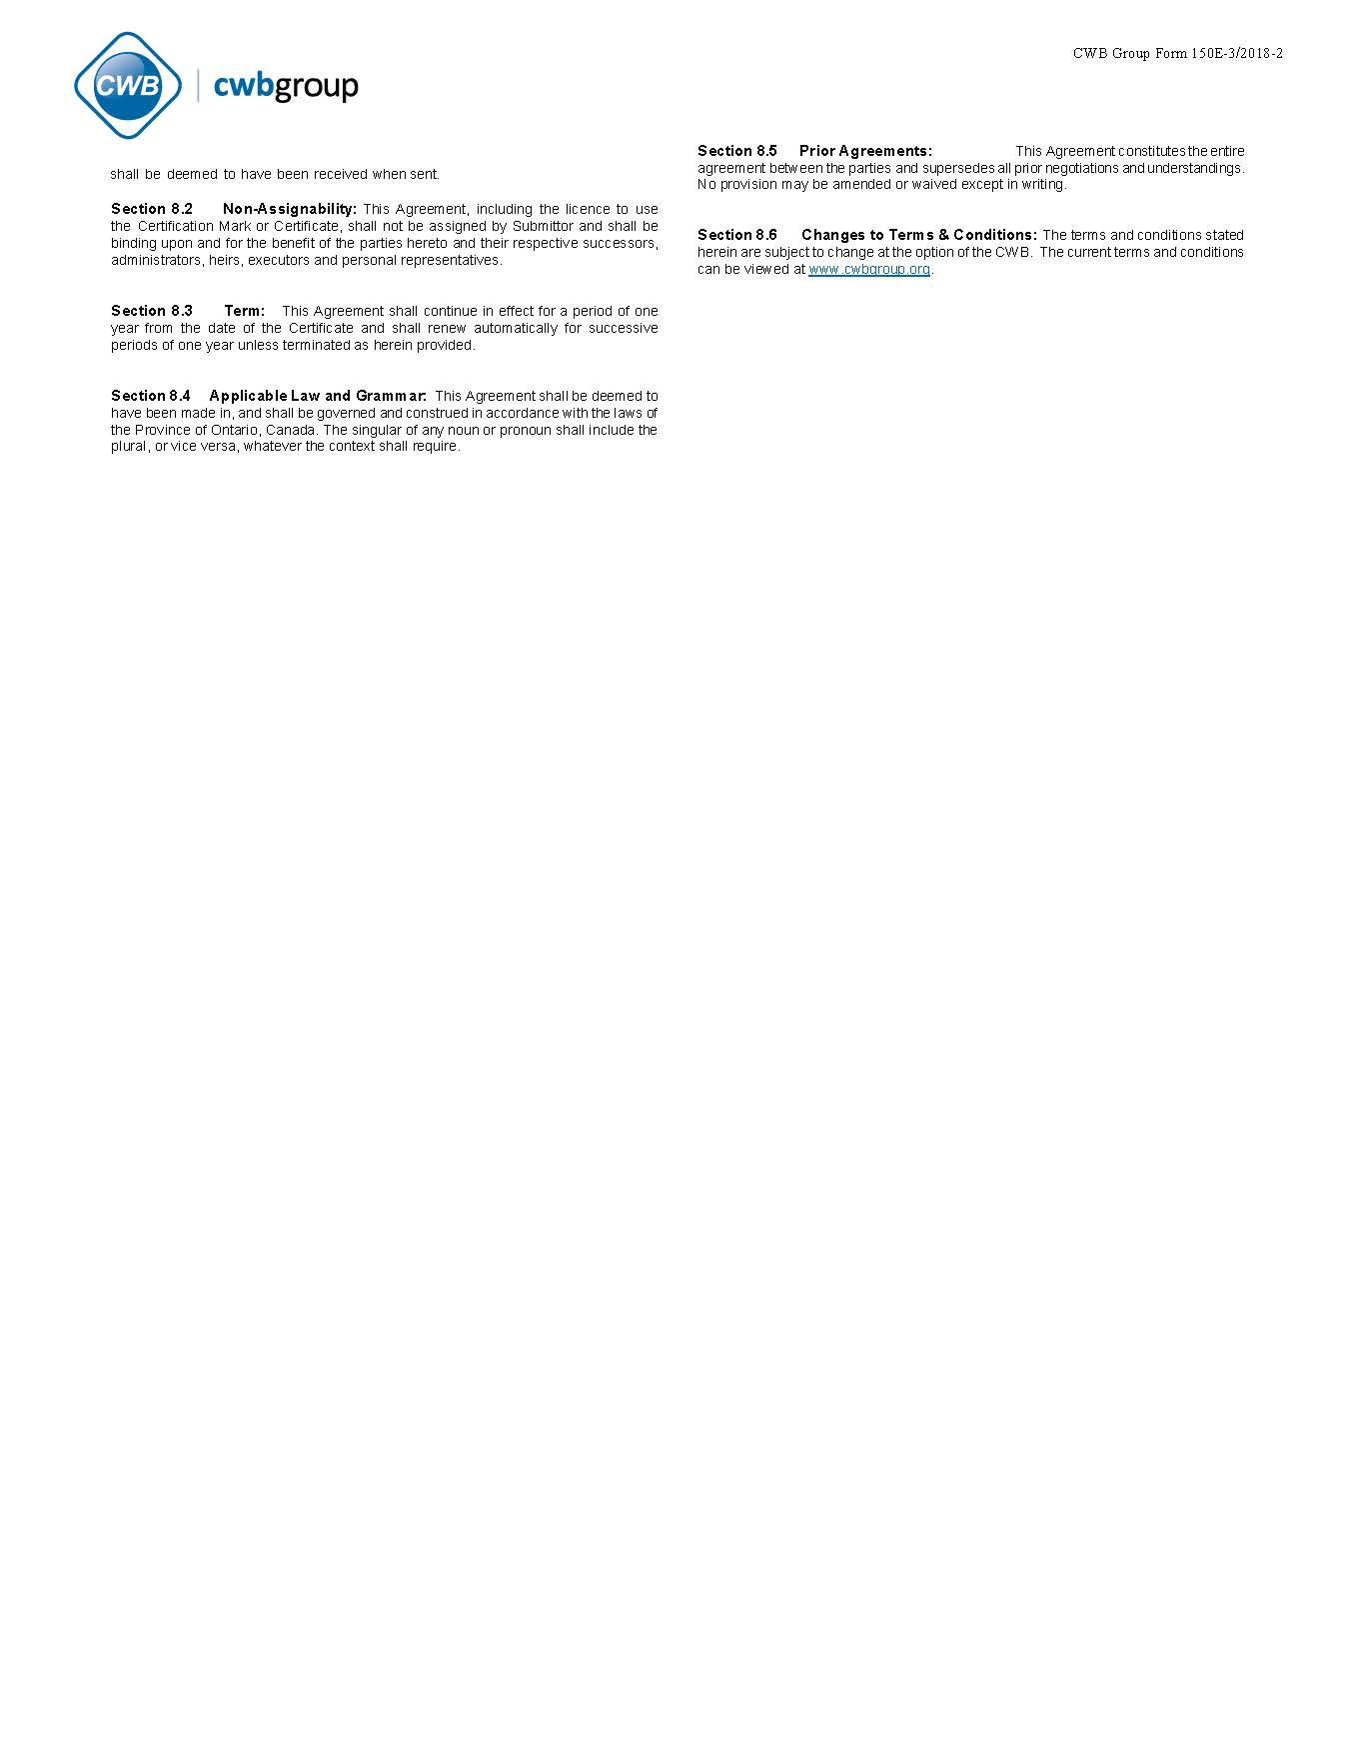
 |  |  |  |  |  | Company Code |  |  |  |  | CWB FORM 250E/2024-2
 |  |  |  |  |  |  |  |  |  |  | Language Preference

 |  | APPLICATION FOR PRODUCT CERTIFICATION

THIS APPLICATION IS FOR (Check appropriate box)

 |  |  |  |  |  | (Company letterhead may be used in lieu of this Form and signed by the Certification Contact Person)

Company Name:
Address:
 | Street |  |  |  | City |  | Province/State |  | Country | Postal Code
Telephone: |  |  |  |  |  |  |  | Fax:
Name of Chief Executive Officer:
 |  |  |  |  |  |  |  | Email:
Name of Certification Contact Person: |  |  |  |  |  |  |  | Email:

Trade Names |  |  | Flux/Gas |  | Standard |  | Classification |  | *Type | Diameter range

*Type: |  |  | O - Original Full Qualification |  |  | E - Equivalent Approval |  |  |  | I - Interim Approval
Administrative Fees: |  |  | $415.00 per listing |  |  | $415.00 per listing |  |  |  | $480.00 per listing
Other Costs: |  |  | Quality system review is charged at $124.00/hour and Witness time is charged at $123.00/hour.
 |  |  | Travel time is charged at $97/hour.
 |  |  | Travel Expenses are charged at cost plus 15% adminstrative fees
Note: | For E - Equivalent Approval, based on product manufactured by another manufacturer, also complete CWB Form 218.
 | For product manufactured by your company using different trade name(s), please indicate the original approval trade name.
 | The above fees and costs are subject to change without notice.

I hereby make application for certification of the above products by the Canadian Welding Bureau. I acknowledge having read the Service Agreement on the second page of this application and agree to be bound by such agreement from the time certification is granted by the CWB, evidenced by the issue of a Certificate as defined in the Service Agreement.

Date (MM/DD/YYYY) |  |  |  | Signature |  |  |  |  | Title

(PLEASE MAIL OR FAX TO THE CWB AND RETAIN A COPY OF BOTH SIDES OF THIS FORM FOR YOUR RECORDS)

Page 2 |  |  |  |  | Service Agreement |  |  |  |  |  | CWB FORM 250E/2024-2

